Defect Report-Holland and Barre
Defect ID | Defect Description | Steps to Reproduce | Priority | Severity | Status | Created By | Assigned To | Screenshots
1 | Cart item count does not update after removing a product from the cart. | 1. Launch Microsoft Edge browser. 2. Navigate to the https://www.hollandandbarrett.com⁠ 3. Login with valid credentials. 4. Search for "Vitamin C Tablets". 5. Click on "Add to Cart" button. 6. Search for "Omega 3 Capsules". 7. Click on "Add to Cart" button. 8. Verify that the basket icon displays 2 items. 9. Open the Cart page. 10. Remove "Omega 3 Capsules" from the Cart. 11. Observe the Cart count displayed on the basket icon remains same instead of decreasing. | High | Major | New | Arpita Das | Raghavendra BN
2 | Mobile Number Field Accepts More than 10 digits. | 1. Launch Microsoft Edge browser. 2. Navigate to https://www.hollandandbarrett.com 3. Sign in with valid credentials. 4. Navigate to My Account and open the Personal Details section. 5. Locate the Mobile Number field. 6. Observe that the field indicates a 10-digit mobile number is required. 7. Enter a mobile number containing more than 10 digits (e.g., 987654321234). 8. Click on Save Changes button. 9. Observe the behavior of the Mobile Number field. | High | Major | New | Arpita Das | Raghavendra BN | 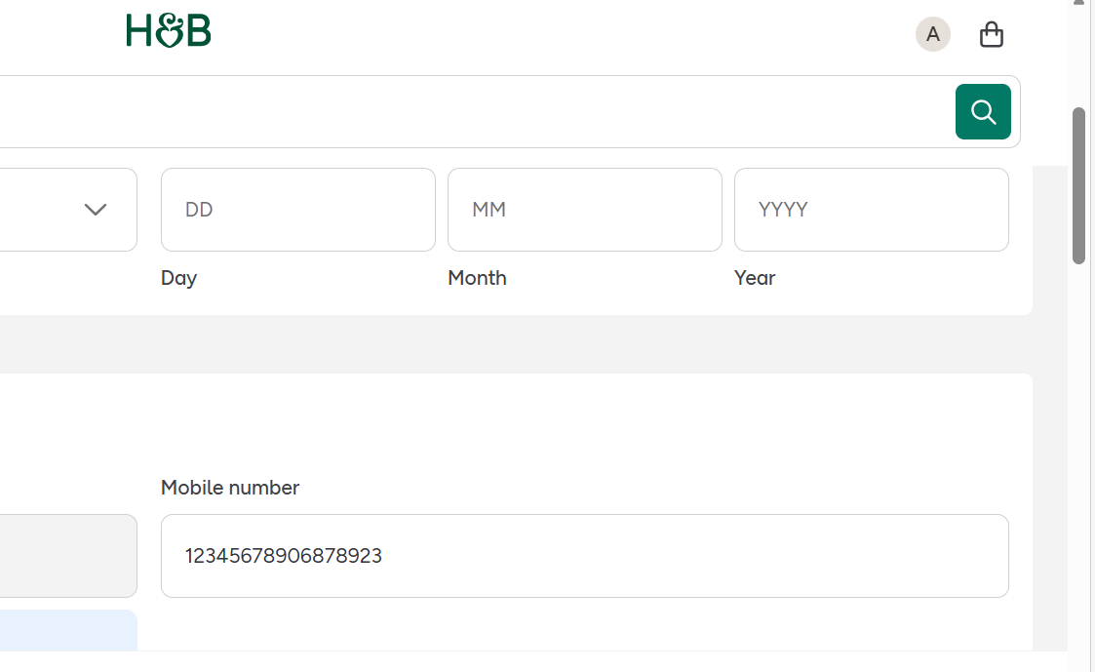
3 | Valid Indian PIN Code Not Accepted | 1. Launch Microsoft Edge browser. 2. Navigate to the https://www.hollandandbarrett.com. 3. Sign in to Holland and Barrett. 4. Add any product to the cart. 5. Proceed to Checkout. 6. Navigate to the "Delivery Address" section. 7. Enter a valid Indian PIN code in the "PIN Code" field. 8. Click on Save Address button. 9. Observe the validation message displayed. | High | Major | New | Arpita Das | Raghavendra BN
4 | Search Functionality displays Irrelevant products that do not match the entered search keyword. | 1. Launch Microsoft Edge browser. 2. Navigate to https://www.hollandandbarrett.com. 3. Click on the search bar located at the top of the homepage. 4. Enter a specific product keyword (e.g., "Vitamins "). 5. Press Enter or click on the Search icon button. 6. Review the products displayed in the search results. 7. Observe that the search results contain products that are not relevant to the entered keyword. | High | Major | New | Arpita Das | Raghavendra BN
5 | Incorrect Total Amount Calculation. | 1. Launch Microsoft Edge browser. 2. Navigate to https://www.hollandandbarrett.com . 3. Sign in with valid credentials. 4. Search for any product and add it to the cart. 4. Open the cart page. 5. Increase the quantity of the product using the "+" button. 6. Note the unit price of the product and the selected quantity. 7. Calculate the expected total amount by multiplying the unit price by the quantity. 8. Compare the calculated amount with the total amount displayed in the basket. 9. Observe that the displayed total amount does not match the product of the unit price and quantity. | High | Major | New | Arpita Das | Raghavendra BN
6 | Product Filter Displays Irrelevant Products. | 1. Launch Microsoft Edge browser. 2. Navigate to https://www.hollandandbarrett.com . 3. Click on the search bar and search for a product category (e.g., "Vitamins"). 4. From the search results page, apply the filter for Vitamin C. 5. Wait for the filtered results to load. 6. Review the products displayed after applying the filter. 7. Observe that products other than Vitamin C are also displayed in the filtered results | High | Major | New | Arpita Das | Raghavendra BN

